2022 complex mixture
Mixture A | MRA Tb CA예측결과 |  |  |  |  | 실험결과
Average Molecular weight | Variables | Conc. | Unit | Conc. | Unit | Regression Model | Unit of model concentration | α | β | γ | Prediction unit of concentration (Output Unit) |  | 반복군1 |  |  |  |  |  | 반복군2
217.68 | EC10 | 207.98 | uM | 45.27 | mg/L | Gompertz | uM | 97.32 | 152.70 | 338.25 | uM | Mix-Conc(μM) | % Effect 1 | % Effect 2 | % Effect 3 | % Effect 4 | % Effect 5 | % Effect 6 | % Effect 7 | % Effect 8 | % Effect 9 | % Effect 10 | % Effect 11 | % Effect 12
 | EC20 | 261.48 | uM | 56.92 | mg/L |  |  |  |  |  |  | 1614.18 | 96.60 | 95.44 | 94.80 | 95.16 | 93.96 | 95.76 | 94.84 | 94.39 | 93.25 | 93.20 | 93.79 | 94.75
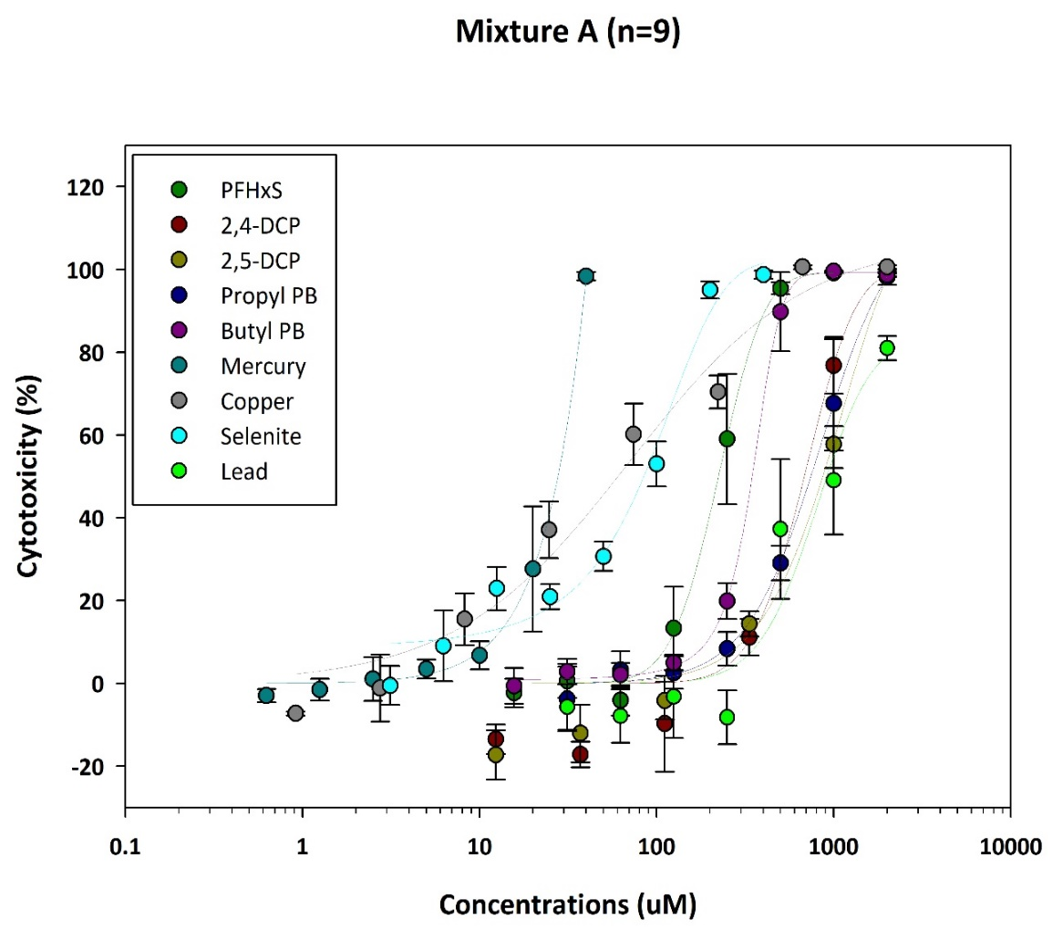
 | EC30 | 306.98 | uM | 66.82 | mg/L |  |  |  |  |  |  | 807.09 | 93.76 | 98.27 | 97.20 | 97.64 | 96.56 | 97.28 | 93.20 | 97.03 | 95.48 | 96.89 | 96.94 | 96.89
 | EC40 | 351.21 | uM | 76.45 | mg/L |  |  |  |  |  |  | 403.54 | 12.47 | 41.56 | 32.33 | 54.87 | 56.51 | 49.96 | 36.14 | 53.60 | 62.30 | 70.09 | 71.05 | 44.57
 | EC50 | 397.67 | uM | 86.56 | mg/L |  |  |  |  |  |  | 201.77 |  | 0.64 | 3.16 | 6.67 | 0.80 | 1.24 |  | 9.66 | 13.95 | 23.47 | 35.55 | 35.59
 | EC60 | 449.81 | uM | 97.91 | mg/L |  |  |  |  |  |  | 100.89 | -11.51 | -2.52 | -3.88 | -0.04 | -9.51 | -11.11 | -11.44 | -3.55 | -4.92 | 6.15 | 5.47 | -11.12
 | EC70 | 512.99 | uM | 111.67 | mg/L |  |  |  |  |  |  | 50.44 | -9.67 | -7.43 | 1.04 | -7.83 | -7.39 | -5.60 | -14.49 | -8.16 | -8.16 | 0.14 | -11.71 | -10.30
 | EC80 | 598.95 | uM | 130.38 | mg/L |  |  |  |  |  |  | 25.22 | -10.67 | -4.20 | -2.84 | -7.07 | -12.67 | -11.63 | -11.44 | -9.84 |  |  | 0.59 | -4.88
 | EC90 | 749.54 | uM | 163.16 | mg/L |  |  |  |  |  |  | 12.61 | -8.39 | 10.75 | 4.32 | -3.52 | -4.20 | -2.52 | -23.02 | -10.71 | -10.16 | -0.27 | -11.99 | -0.46

 |  |  |  |  |  |  |  |  |  |  |  |  |  | 튀는값 삭제

 |  |  |  |  |  | *독립 2반복 실험결과 통합분석

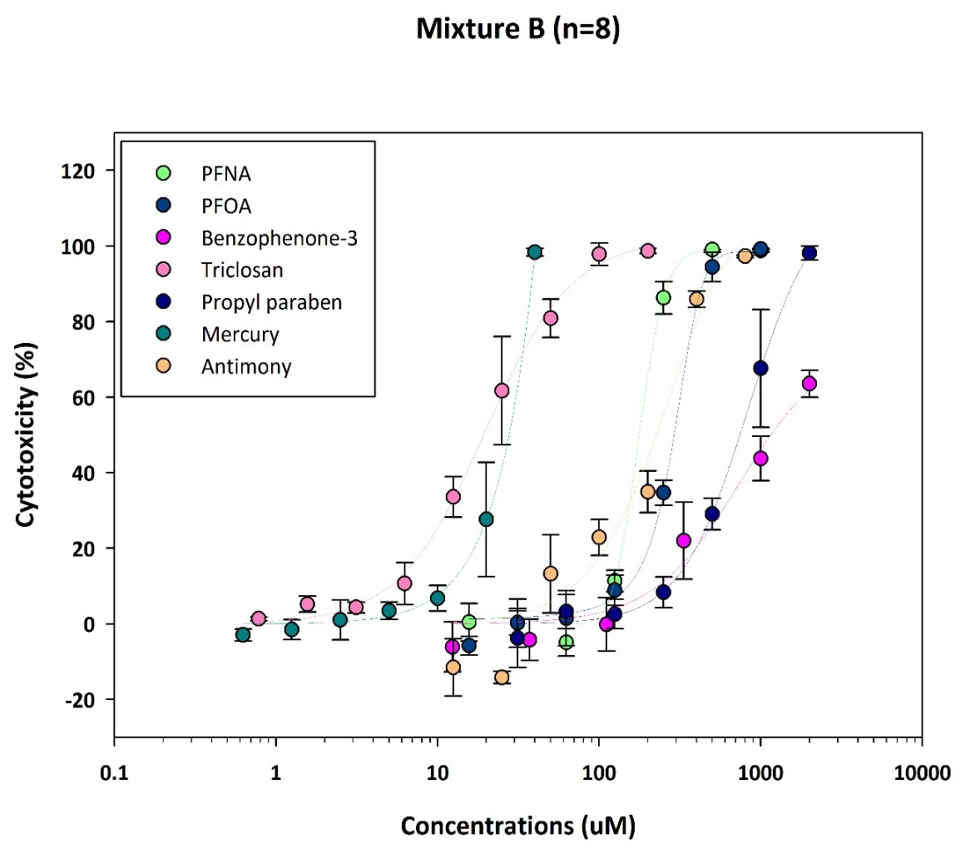
Mixture B | MRA Tb CA예측결과 |  |  |  |  | 실험결과 |  |  |  |  |  |  | 반복군1 |  |  |  |  |  | 반복군2
Average Molecular weight | Variables | Conc. | Unit | Conc. | Unit | Regression Model | Unit of model concentration | α | β | γ | Prediction unit of concentration (Output Unit) | Mix-Conc(μM) | % Effect 1 | % Effect 2 | % Effect 3 | % Effect 4 | % Effect 5 | % Effect 6 | % Effect 7 | % Effect 8 | % Effect 9 | % Effect 10
280.07 | EC10 | 175.82 | uM | 49.24 | mg/L | Sigmoid | uM | 97.98 | 59.02 | 304.17 | uM | 856.79 | 98.57 | 98.37 | 97.36 | 97.56 | 97.09 | 98.22 | 97.15 | 97.41 | 97.75 | 97.41
 | EC20 | 223.86 | uM | 62.69 | mg/L |  |  |  |  |  |  | 428.40 | 85.81 | 89.27 | 83.12 | 84.29 | 82.85 | 84.40 | 94.05 | 89.37 | 96.17 | 87.92
 | EC30 | 255.89 | uM | 71.66 | mg/L |  |  |  |  |  |  | 214.20 | 15.38 | 14.56 | 13.67 | 18.96 | 14.95 | 20.25 | 11.92 | 16.69 | 19.49 | 19.28
 | EC40 | 282.26 | uM | 79.05 | mg/L |  |  |  |  |  |  | 107.10 | 14.14 | 8.88 | 5.58 | 8.69 | 12.19 | 3.28 | 6.05 | 6.14 | 3.63 | 10.22
 | EC50 | 306.60 | uM | 85.87 | mg/L |  |  |  |  |  |  | 53.55 | 0.75 | 4.57 | 4.25 | 2.19 | 5.27 | 1.84 |  |  | 3.37 | 5.54
 | EC60 | 331.16 | uM | 92.74 | mg/L |  |  |  |  |  |  | 26.77 | -2.63 | 5.38 | 5.23 |  | -1.15 | -3.64 | -9.17 | -3.26 | -3.94 | -10.24
 | EC70 | 358.30 | uM | 100.34 | mg/L |  |  |  |  |  |  | 13.39 | 2.27 | 3.36 | 7.91 | 4.49 | -2.32 | -2.13 | -7.56 | -4.32 | -6.32 | -7.26
 | EC80 | 392.28 | uM | 109.86 | mg/L |  |  |  |  |  |  | 6.69 | -0.42 | 0.64 |  | 1.14 |  | -4.50 | -5.39 | -2.67 | -1.47 | -13.81
 | EC90 | 447.19 | uM | 125.24 | mg/L
 |  |  |  |  |  |  |  |  |  |  |  |  |  | 튀는값 삭제

 |  |  |  |  |  | *독립 2반복 실험결과 통합분석

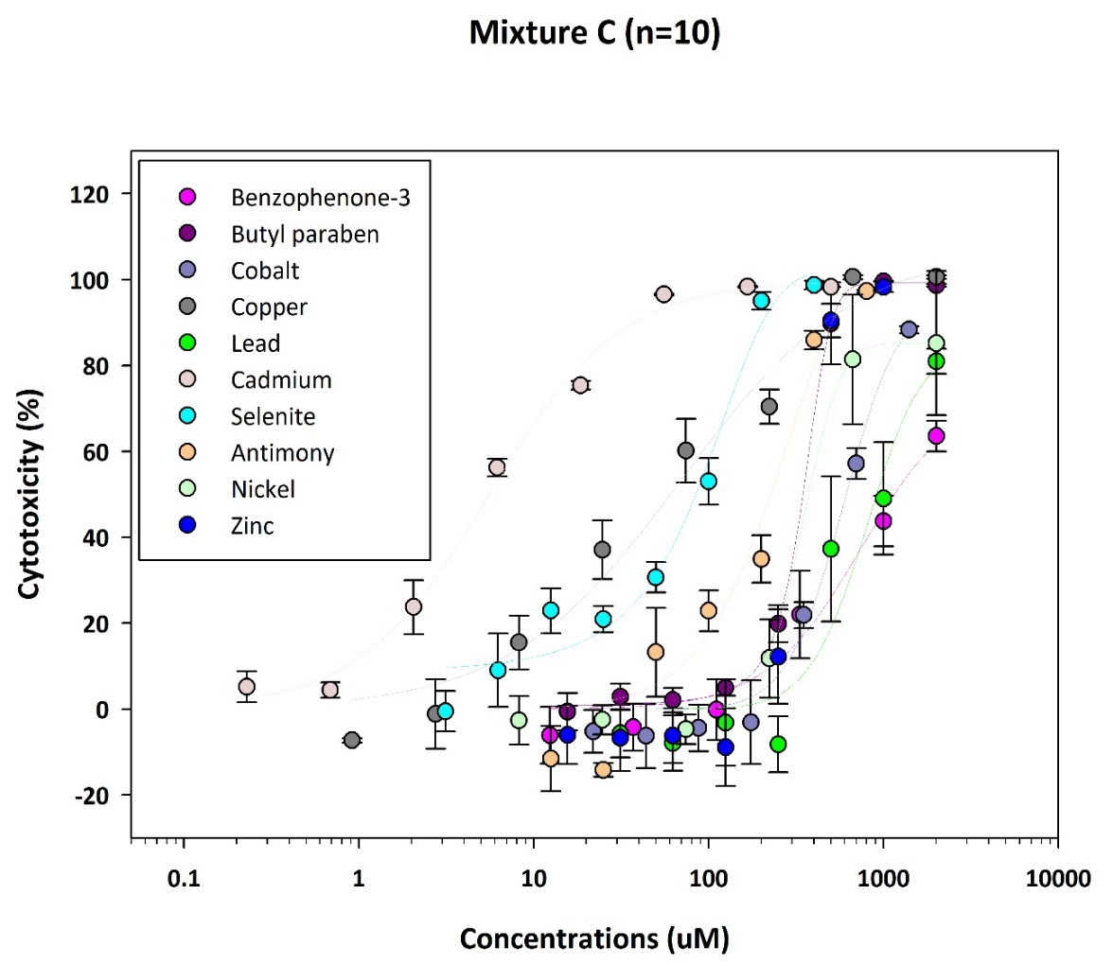
Mixture C - again | MRA Tb CA예측결과 |  |  |  |  | 실험결과 |  |  |  |  |  |  | 반복군1 |  |  | 반복군2
Average Molecular weight | Variables | Conc. | Unit | Conc. | Unit | Regression Model | Unit of model concentration | α | β | γ | Prediction unit of concentration (Output Unit) | Mix-Conc(μM) | % Effect 1 | % Effect 2 | % Effect 3 | % Effect 4 | % Effect 5 | % Effect 6
215.02 | EC10 | 194.62 | uM | 41.85 | mg/L | Logistic | uM | 72084998.1 | -1.1 | 609575146.3 | uM | 1607.99 | 92.45 | 95.08 | 93.09 | 93.64 | 93.96 | 93.89
 | EC20 | 375.26 | uM | 80.69 | mg/L |  |  |  |  |  |  | 803.99 | 46.18 | 47.49 | 44.86 | 32.17 | 37.70 | 36.15
 | EC30 | 550.97 | uM | 118.47 | mg/L |  |  |  |  |  |  | 402.00 | 26.85 | 27.57 | 32.56 | 35.33 | 20.67 | 21.96
 | EC40 | 723.56 | uM | 155.58 | mg/L |  |  |  |  |  |  | 201.00 | 8.05 | 8.57 | 23.42 | 4.75 | 5.11 | 4.68
 | EC50 | 893.86 | uM | 192.20 | mg/L |  |  |  |  |  |  | 100.50 | 4.74 | 7.09 | 5.54 | 9.32 | 1.70 | 0.80
 | EC60 | 1062.35 | uM | 228.43 | mg/L |  |  |  |  |  |  | 50.25 | 0.55 | 4.86 | -1.13 | -1.53 | -4.12 | -7.68
 | EC70 | 1229.37 | uM | 264.34 | mg/L |  |  |  |  |  |  | 25.12 | 4.14 | 6.33 | 6.73 | 2.28 | -2.36 | -4.73
 | EC80 | 1395.12 | uM | 299.99 | mg/L |  |  |  |  |  |  | 12.56 | 4.26 | 4.34 | -3.33 | -0.71 | 1.88 | -2.47
 | EC90 | 1559.79 | uM | 335.39 | mg/L

 |  |  |  |  |  | *독립 2반복 실험결과 통합분석

Mixture D (OPFR 7종) | MRA Tb CA예측결과 |  |  |  |  | 실험결과
Average Molecular weight | Variables | Conc. | Unit | Conc. | Unit | Regression Model | Unit of model concentration | α | β | γ | Prediction unit of concentration (Output Unit) |  | 반복군1 |  |  |  |  |  | 반복군2 |  |  |  |  |  | 반복군3
371.43 | EC10 | 110.83 | uM | 41.17 | mg/L | Sigmoid | uM | 98.5 | 107.4 | 409.5 | uM | Mix-Conc(μM) | % Effect 1 | % Effect 2 | % Effect 3 | % Effect 4 | % Effect 5 | % Effect 6 | % Effect 7 | % Effect 8 | % Effect 9 | % Effect 10 | % Effect 11 | % Effect 12 | % Effect 13 | % Effect 14 | % Effect 15 | % Effect 16 | % Effect 17 | % Effect 18
 | EC20 | 187.87 | uM | 69.78 | mg/L |  |  |  |  |  |  | 1011.15 | 100.08 | 100.29 | 98.06 | 98.32 | 96.38 | 96.97 | 99.53 | 99.75 | 98.02 | 98.29 | 96.67 | 96.83 | 99.85 | 100.27 | 98.21 | 98.49 | 97.04 | 97.22
 | EC30 | 253.47 | uM | 94.15 | mg/L |  |  |  |  |  |  | 505.57 | 68.06 | 68.73 | 67.30 | 64.18 | 62.96 | 63.01 | 72.34 | 73.97 | 72.78 | 74.94 | 69.75 | 69.86 | 72.91 | 76.71 | 72.21 | 69.39 | 68.50 | 63.85
 | EC40 | 315.88 | uM | 117.33 | mg/L |  |  |  |  |  |  | 252.79 | 12.04 | 19.28 | 15.87 | 11.36 | 9.30 | 15.57 | 18.46 | 22.46 | 20.89 | 16.62 | 18.24 | 13.38 | 19.68 | 29.59 | 25.17 | 26.86 | 21.37 | 20.62
 | EC50 | 379.37 | uM | 140.91 | mg/L |  |  |  |  |  |  | 126.39 | 9.64 | 14.52 | 7.07 | 8.96 | 15.82 | 4.88 | 12.30 | 11.32 | 17.48 | 12.94 | 12.13 | 7.92 | 3.35 | 14.71 | 12.13 | 11.56 | 24.00 | 10.91
 | EC60 | 448.00 | uM | 166.40 | mg/L |  |  |  |  |  |  | 63.20 | 1.52 | 6.48 | 1.47 | -3.24 | -3.91 | 3.49 | 2.51 | 11.38 | 11.32 | 4.30 | -0.30 | 0.89 | 9.78 | 5.41 | 11.05 | 2.41 | 19.59 | 3.07
 | EC70 | 527.81 | uM | 196.04 | mg/L |  |  |  |  |  |  | 31.60 | -1.05 | 1.89 | 1.94 | -5.22 | -6.99 | 7.74 | 1.43 | 1.22 | 0.08 | -7.38 | -8.84 | -7.76 | 0.91 | 3.25 | 1.33 | 1.89 | -9.98 | -3.60
 | EC80 | 632.27 | uM | 234.84 | mg/L |  |  |  |  |  |  | 15.80 | -4.25 | 2.10 | -2.31 | -1.18 | -8.88 | -2.10 | 0.51 | 1.81 | -5.38 | 1.22 | -5.22 | -7.16 | 0.77 | 2.03 | 0.72 | -4.07 | -5.66 | 2.88
 |  |  |  |  |  |  |  |  |  |  |  | 7.90 | 4.00 | -4.21 | 6.02 | 0.59 | -2.10 | 7.79 | 8.78 | -7.65 | 0.46 | -14.30 | -5.65 | 3.97 | -1.25 | 0.86 | 5.65 | -9.70 | -1.53 | -4.11

 |  |  |  |  |  | *독립 3반복 실험결과 통합분석

